observations
Exploratory Testing - Observations
Laptop: Dell Latitude 7420 - Intel Core i7

*Message of modal when you want to delete an item. Grammar mistake.

*Horizontal scroll when I dragged to right the item.


*The image selected before is not removed when I edit another item.
* Not allowed to change the image of the item when I try to edit.

*When I edit an item, and change the text with another text that length is more than 300 characters and cancel, the text is there anyway.

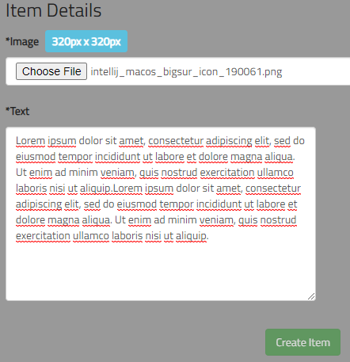

*On the mobile version drag and drop does not work.
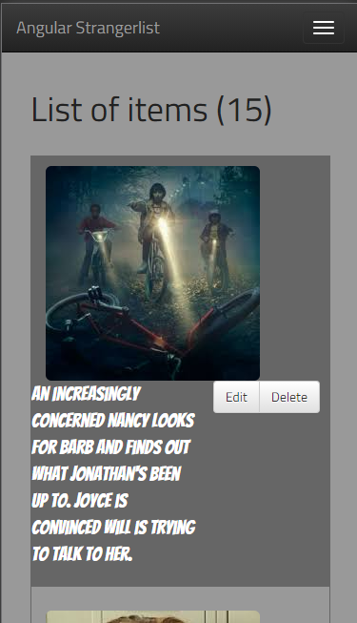

*When I click on the 'Edit' button, the page goes to the top level, and I have to go to the bottom to edit the text.

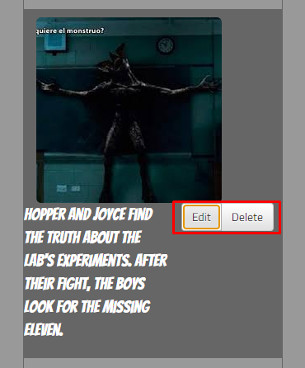

*The app doesn’t work in chrome, brave, edge, IE, mozilla both in Desktop and Mobile. I can only see it in Chromium/Electron.
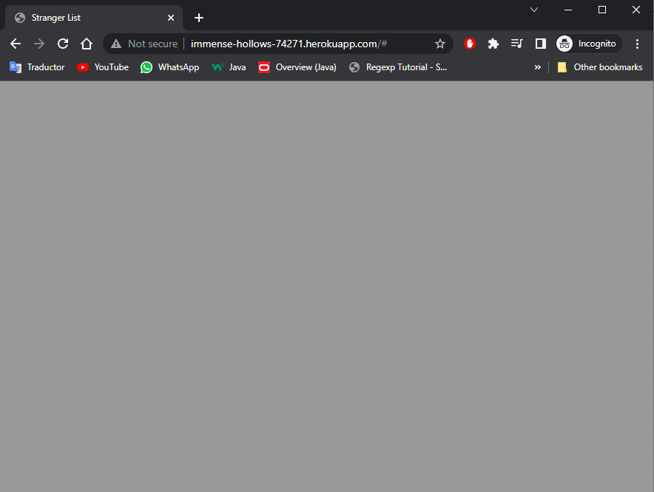


When I don't choose any image but I write a text, the button 'Create Item' is available and is clickable however it doesn't create an item.
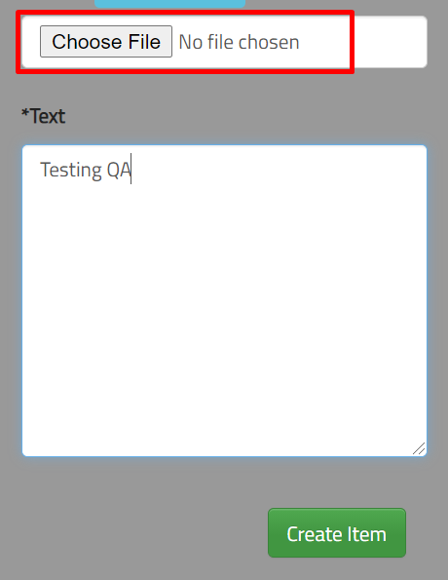

 | Recomendation:
 | Blocked button when I don't choose any image.

